1. Title Page
Instacart Data Analysis

Project Name: Instacart Data Analysis
Date: 2/21/2025
Analyst Name: Zahid Niloy

Contents:
Population Flow
Consistency checks
Wrangling steps
Column derivations
Visualizations
Recommendations

Data Source
“The Instacart Online Grocery Shopping Dataset 2017”, Accessed from www.instacart.com/datasets/grocery-shopping-2017 via Kaggle on 9/4/2024.
The customer data was analyzed, and the “prices” column in the products data set, were both fabricated for the purpose of this course.

2. Population Flow
Title page

Population flow

Exclusion flag
Condition: max_order < 5
Obervations to be removed: 1,444,295
Final total count of order_products_all: 30,964,564

Orders_products_merged
Orders_products_merged
Orders_products_customers

Total: 32,404,858
Total: 32,434,488
Total: 32,404,858

1.) The grey boxes in the first row of the population flow represent the original data sets as they were when you downloaded them. In the Total fields you need to add the count of the rows when you imported the data set into Jupyter.
2.) The second row of boxes (coloured) represents the data sets after you manipulated them, e.g., removed missing values and duplicates. In the Total fields you need to add the count of the rows after conducting these operations. This offers a visual oveview of how the data flows throughout the data consistency checks.
3.) The third row, where also the arrows are coloured, represents the merges you performed between the datasets. In the Total fields you need to add the count of the rows in the merged datasets, so that you end up with the final dataset (in the red box). Keep in mind the final dataset should be without exclusions (based on the exclusion flag).

3. Consistency checks
 |  |  |  | Title page
Consistency checks

Dataset | Missing values | Missing values treatment | Duplicates
orders | 206,209 in the 'days_since_prior_order' column | Flagged as first_order | No duplicates
products | 16 missing 'product_name' | Deleted rows missing data | 5 duplicates, deleted
orders_products_prior | None | None | No duplicates
customers | None | None | No duplicates
orders_products_customers | prices over $100 marked as missing | changed to Nan

4. Wrangling steps
 |  |  |  | Title page
Wrangling steps

Columns dropped | Columns renamed | Columns' type changed | Comment/Reason
 |  | order_id | data type change, integer to string
 |  | user_id | data type change, integer to string
 | order_dow to orders_day_of_week |  | clarity
 | First Name to first_name |  | maintain naming convention
 | Surnam to last_name |  | maintain naming convention
 | Gender to gender |  | maintain naming convention
 | STATE to state |  | maintain naming convention
 | Age to age |  | maintain naming convention
 |  | first_name | data type change, mixed to string
Unnamed xx |  |  | not needed
_merged |  |  | not needed

5. Column derivations
 |  |  |  | Title page

Column derivations and aggregations

Dataset | New column | Column/s it was derived from | Conditions
orders | first_order | days_since_prior_order' | NaN
ords_prods_merge | price_range | prices | if prices <= 5 then 'low-range product' if prices >5 & <= 15 then 'mid-range product' if prices > 15 then 'high-range product' else 'not enough data'
ords_prods_merge | busiest_day | orders_day_of_week | if value == 0 then 'busiest day' if value == 4 then 'least busy' else 'regularly busy'
ords_prods_merge | busiest_days | orders_day_of_week | if value == 0 or 1 then 'busiest days' if value == 3 or 4 then 'slowest days' else 'regularly busy'
ords_prods_merge | busiest_period_of_day | hour_of_day | if value == 10 or 11 then 'most orders' if value == 3 or 4 then 'fewest orders' else 'average orders'
ords_prods_merge | loyalty_flag | max_order | if value > 40 then 'loyal customer' if value <= 40 & > 10 then 'regular customer' if value < 10 then 'new customer'
ords_prods_merge | mean_spend | prices | average price per customer
ords_prods_merge | spender_flag | mean_spend | if value > 10 then 'low spender' if value >= 10 then 'high customer'
ords_prods_merge | customer_frequency | days_since_prior_order | if value < 20 then 'non_frequent_customer' if value <= 20 & > 10 then 'regular customer' if value > 10 then 'frequent customer'
orders_products_customers | region | state | State defined into regions according to this List of regions of the United States
orders_products_customers | activity_flag | max_order | if value < 5 then 'low-activity customer' if value >= 5 then 'high-activity customer'
low_activity_excluded | income_group | income | if value > 150000 then 'high income' if value >= 55000 & < 150000 then 'middle income' if value < 55000 then 'low income'
low_activity_excluded | age_group | age | if value > 64 then 'senior' if value > 44 & <= 64 then 'middle-aged' if value > 25 & <= 44 then 'adult' if value <= 25 then 'young adult'
low_activity_excluded | dependants_flag | n_dependants | if value == 0 then 'no dependants' if value >= 1 then 'has dependants'

first_order |  | price_range
False 30328763 |  | Mid-range product 673183
True 2076096 |  | Low-range product 314392
Name: count, dtype: int64 |  | High range 12425
 |  | Name: count, dtype: int64

busiest_day |  | busiest_days
Regularly busy 22416875 |  | Regularly busy 12916111
Busiest day 6204182 |  | Busiest days 11864412
Least busy 3783802 |  | Slowest days 7624336
Name: count, dtype: int64 |  | Name: count, dtype: int64

busiest_period_of_day |  | loyalty_flag
Average orders 26802436 |  | Regular customer 15876776
Most Orders 5497900 |  | Loyal customer 10284093
Fewest orders 104523 |  | New customer 6243990
Name: count, dtype: int64 |  | Name: count, dtype: int64

spending_flag |  | customer_frequency
Low spender 31770614 |  | Frequent customer 21559853
High spender 634245 |  | Regular customer 7208564
Name: count, dtype: int64 |  | Non-frequent customer 3636437
 |  | Name: count, dtype: int64

activity_flag |  | income_group
high-activity customer 30964564 |  | middle-income 22617642
low-activity customer 1440295 |  | low-income 4452388
Name: count, dtype: int64 |  | high-income 3894534
 |  | Name: count, dtype: int64

age_group |  | dependants_flag
middle-aged 9690051 |  | has dependants 23224883
adult 9214451 |  | no dependants 7739681
senior 8195544 |  | Name: count, dtype: int64
young adult 3864518
Name: count, dtype: int64

6. Visualizations
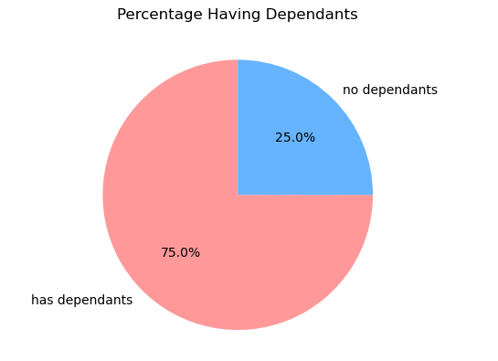
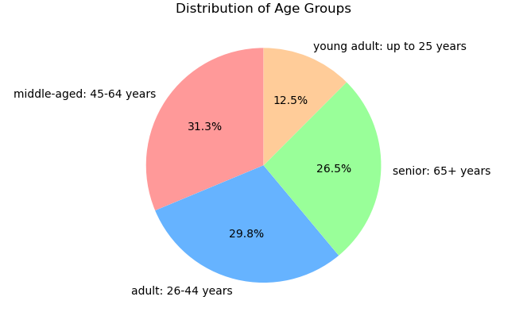
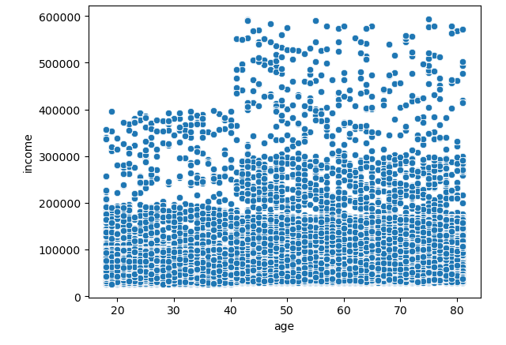
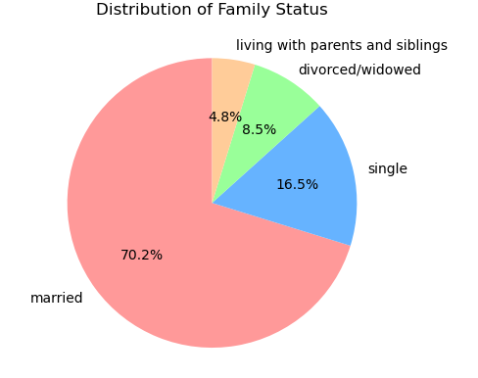
 | Title page

Visualisations

Question
From the Sales Team: What are the busiest days of the week and hours of the day?

Commentary
Saturday and Sunday are the busiest day of the week. Tuesday and Wednesday are the least bust days of the week.
Most orders are between 9am and 4pm with a peak at 10am to 11am
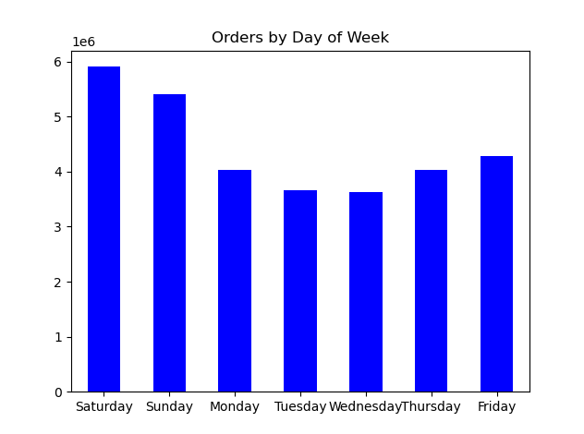
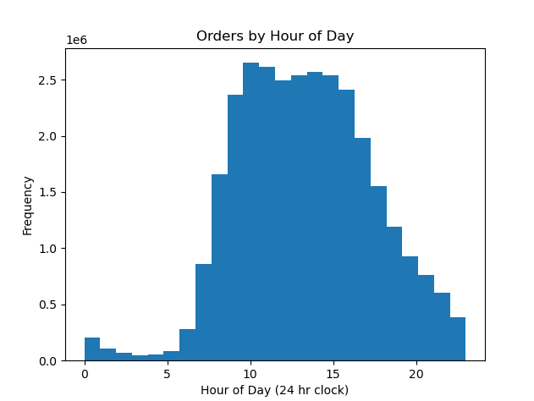

Question
From the Sales Team: Are there particular times of day when people spend the most money?

Commentary
Sales are higher in the morning, but it should be noted that this is a small variation.
Additionally, sales are higher on the weekends
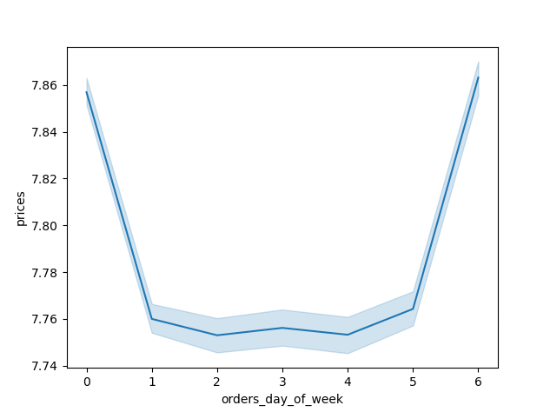
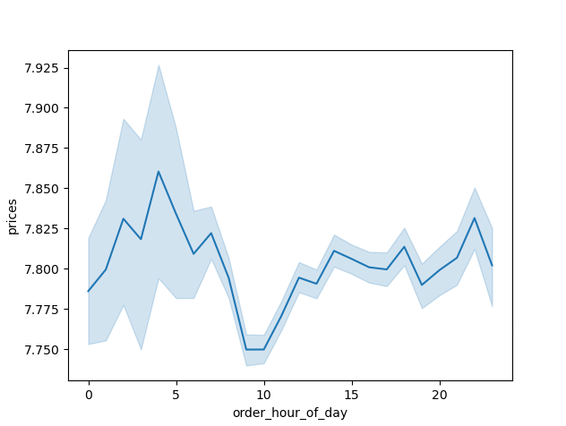
Spending by Hour of the Day
Spending by Day of Week

Question
Marketing and Sales Team: Are there certain products that are more popular than others?

Commentary
Produce, Dairy/eggs, snacks, and beverages are the biggest sellers by department
This is both in an age group and a regional breakdown as well.

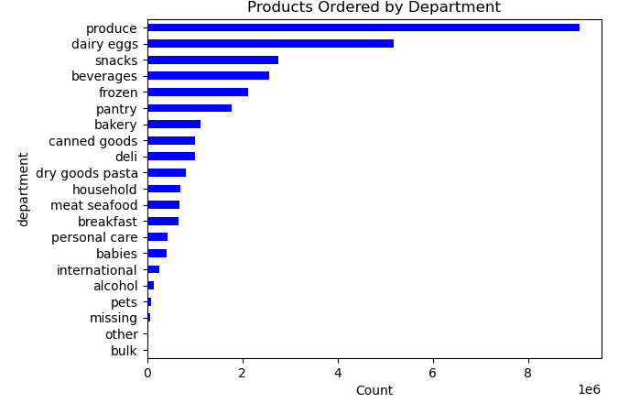

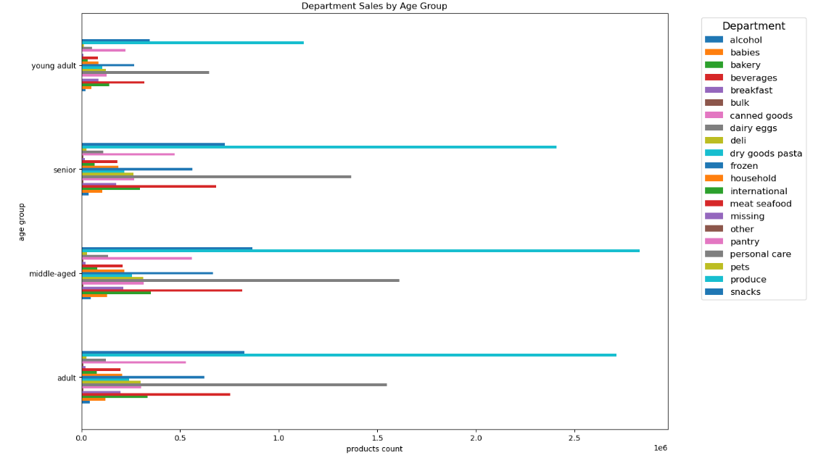

Question
Marketing and Sales Team: What is the distribution among users as to how often they return to Instacart?

Commentary
Most customers are middle-aged and middle-income
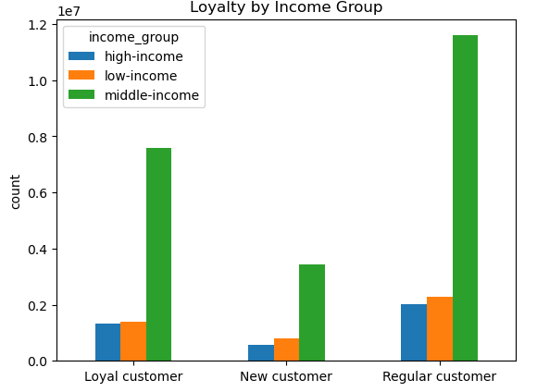
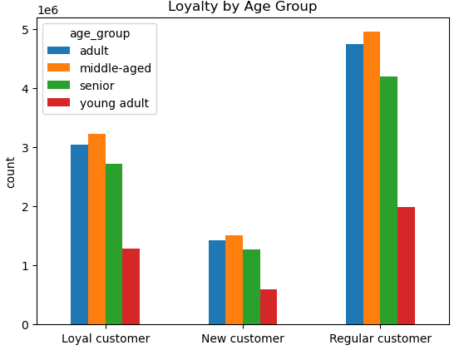

Question
Marketing and Sales Team: Are there differences in ordering habits based on loyalty status?

Commentary
Most customers are considered to be low spenders

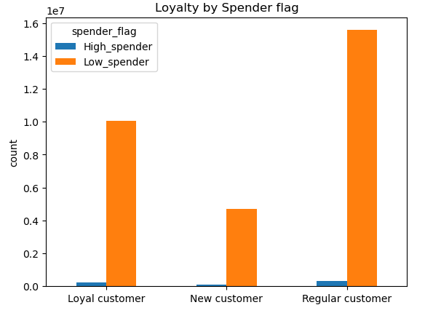

Question
Marketing and Sales Team: Are there differences in ordering habits based on region?

Commentary
Customers in the South and the West have the largest sales of produce, snacks and dariy/eggs

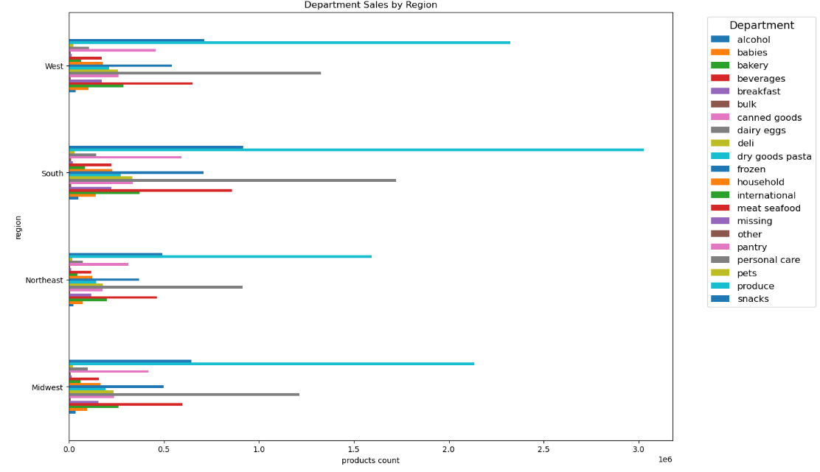

Question
Marketing and Sales Team: Is there a connection between age and family status and ordering habits?

Commentary
Most customers are adult or middle-aged, married, and have dependants

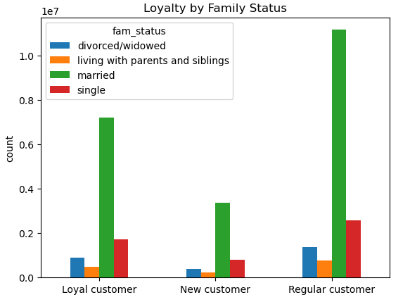

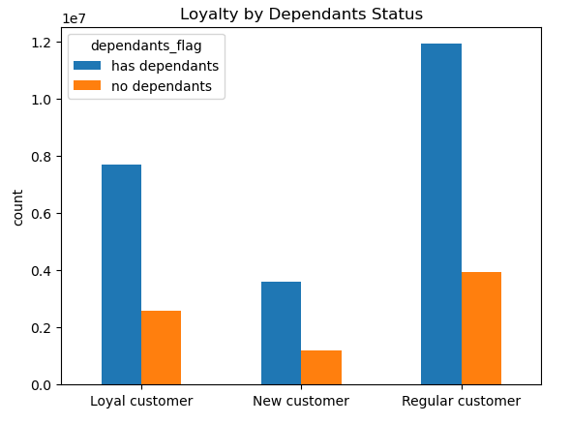

Question
Marketing and Sales Team: What different classifications does the demographic information suggest? Age? Income? Certain types of goods? Family status??

Commentary
Most customers are adult or middle-aged, married, and have dependants. Also those in the upper income bracket tend to be over 40.

7. Recommendations
 |  |  | Title page

Recommendations

Question | Answer | Recommendations
What are the busiest days of the week and hours of the day? | The weekends, specifically Saturday and Sunday, are the most hectic days of the week. In contrast, Tuesday and Wednesday are notably quieter. Orders predominantly flow in between 9am and 4pm, with a significant surge occurring from 10am to 11am. | As midweek days are generally quieter, implementing sales and coupon strategies on these days can effectively boost sales. By targeting Tuesdays and Wednesdays with special offers, businesses can capitalize on the relative calm to attract more customers and increase revenue during these typically slower periods.
Are there particular times of day when people spend the most money? | While sales exhibit a slight morning bias, this variation is relatively minor. Notably, weekend sales tend to be significantly higher compared to other days of the week. | Despite the marginal increase in morning and weekend sales, these fluctuations are negligible, ranging from 10 to 20 cents. Such minor variances appear to be more statistical noise than significant trends. Consequently, no actionable recommendations can be derived from these observations, as they lack substantial impact on overall sales patterns.
Are there certain products that are more popular than others? | Produce, Dairy/eggs, snacks, and beverages are the biggest sellers by department. | To encourage orders, offering coupons and specials on popular items like produce and dairy is advisable. Meanwhile, promoting similar discounts on less popular categories such as international products, alcohol, and bulk goods can help stimulate sales in these areas by drawing more attention to them.
Are there differences in ordering habits based on loyalty status? | Most customers are considered to be low spenders. | Discounts applied to entire grocery purchases could potentially increase the average order value, but they might also lead to fewer orders overall. This strategy could encourage customers to buy more in one go, but visit less frequently as a result.
Are there differences in ordering habits based on region? | Customers in the South and the West have the largest sales of produce, snacks and dariy/eggs. | To boost engagement in areas with fewer customers, consider amplifying advertising and promotional efforts in those regions. By focusing more resources on these underperforming areas, businesses can potentially attract more customers and enhance overall visibility. This strategic approach can help stimulate growth in regions that typically see less activity.
What is the distribution among users as to how often they return to Instacart? Is there a connection between age and family status and ordering habits? What different classifications does the demographic information suggest? Age? Income? Certain types of goods? Family status?? | Most customers are adult or middle-aged, married, and have dependants. Also those in the upper income bracket tend to be over 40. | A substantial portion of coupons and discounts should focus on staple family items like "what's for dinner" solutions, breakfast cereals, and packable lunches. Meanwhile, luxury products can be effectively marketed to high-income individuals over 40, who are more likely to appreciate premium offerings. This strategy aligns with the trend of affluent consumers continuing to spend on luxury goods
What differences can you find in ordering habits of different customer profiles? Consider the price of orders, the frequency of orders, the products customers are ordering. | The key demographic for those using Instacart are adult to middle-age, middle-income parents. This makes sense as thes would be the larger holdholds that would consume more products. | Does Instacart want to reach out to more demographics? Are there obstacles, such as familiarity with technology that is limiting customer growth among seniors? By highlighting products that families love, Instacart can motivate customers to make purchases sooner rather than delaying them. This approach can also lead to increased customer satisfaction, as families appreciate the convenience of having their favorite items readily available for delivery

